Sheet1
Mutation | Time (s) (Laptop) | Work? | Final score | Best score | Figure
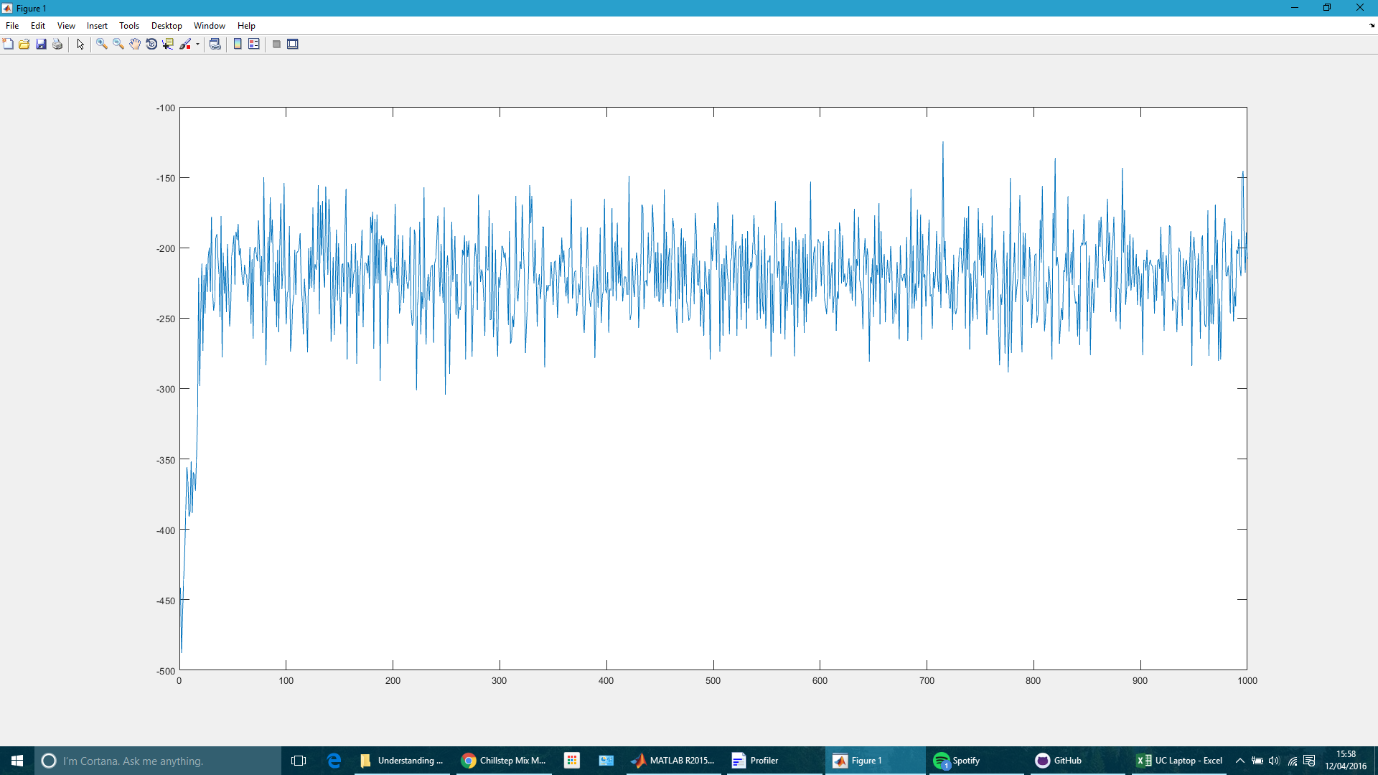
New bottom 50
Best 50 top half | 145 | yes | -208.225 | -124.385
Second best 50 bottom half
Repaced 50-100 with new pool

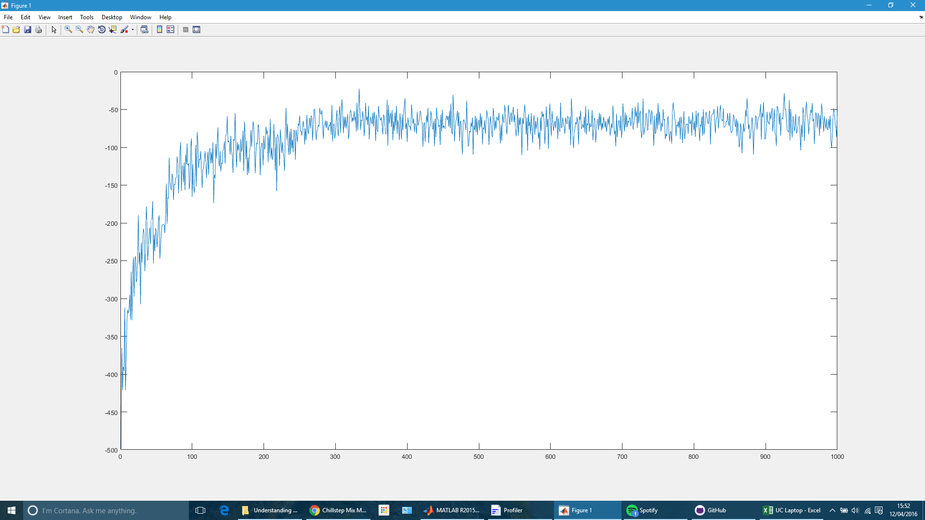
New bottom 25
Best 25 top half | 144 | yes | -49.195 | -22.6
Second best 25 bottom half
Repaced 26-50 with new pool

